Sheet1
Sum of Children < 10 (%) | Sum of Pop 11-64 years (%) | Sum of Elderly > 65 (%)
29891.7 | 178753.5 | 25954.8

Asthma Hospitalisation By Age in 2019

Asthma Rate by Race
Row Labels | Sum of Hispanic (%) | Sum of White (%) | Sum of African American (%) | Sum of Native American (%) | Sum of Other (%)
Los Angeles | 32937.9 | 13420.1 | 8051.6 | 101.7 | 1311.1
Lynwood | 948.7 | 23.7 | 110.8 | 1.2 | 6.4
Canoga Park | 817.3 | 783 | 77.5 | 3.8 | 56.4
Granada Hills | 420.7 | 747.4 | 47 | 2.2 | 43.6
Asthma Rate By Race in Carlifornia City
La Mirada | 411.2 | 385.2 | 20.7 | 3.1 | 21.5
Mission Hills | 327.8 | 99.9 | 16.4 | 1.2 | 7.7
La Canada Flintridge | 73.2 | 343.3 | 44.5 | 0.4 | 17.3
Grand Total | 35936.8 | 15802.6 | 8368.5 | 113.6 | 1464

Sheet1 (3)
Sum of Native American (%) | Sum of African American (%) | Sum of Asian American (%) | Sum of White (%) | Sum of Hispanic (%)
449.4 | 19140 | 31820.2 | 66982.4 | 110027.8

Asthma_LA_Enrich (version 2)
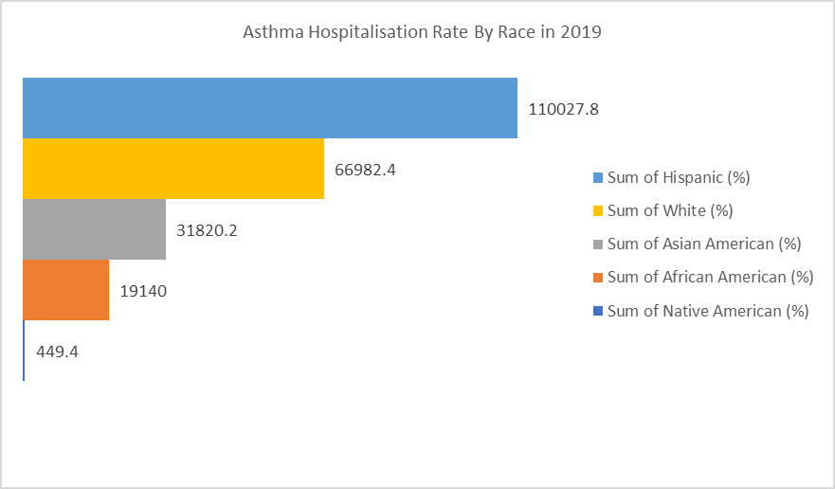
Asthma Hospitalisation Rate By Race in California City (Year 2019)
 | Sum of Hispanic (%) | Sum of White (%) | Sum of African American (%) | Sum of Native American (%) | Sum of Other (%)
Los Angeles | 32937.9 | 13420.1 | 8051.6 | 101.7 | 1311.1
Lynwood | 948.7 | 23.7 | 110.8 | 1.2 | 6.4
Canoga Park | 817.3 | 783 | 77.5 | 3.8 | 56.4
Granada Hills | 420.7 | 747.4 | 47 | 2.2 | 43.6
La Mirada | 411.2 | 385.2 | 20.7 | 3.1 | 21.5
Mission Hills | 327.8 | 99.9 | 16.4 | 1.2 | 7.7
La Canada Flintridge | 73.2 | 343.3 | 44.5 | 0.4 | 17.3

Asthma Hospitalisation By Age in 2019
 | Sum of Children < 10 (%) | Sum of Pop 11-64 years (%) | Sum of Elderly > 65 (%)
Total | 29891.7 | 178753.5 | 25954.8

